Cover
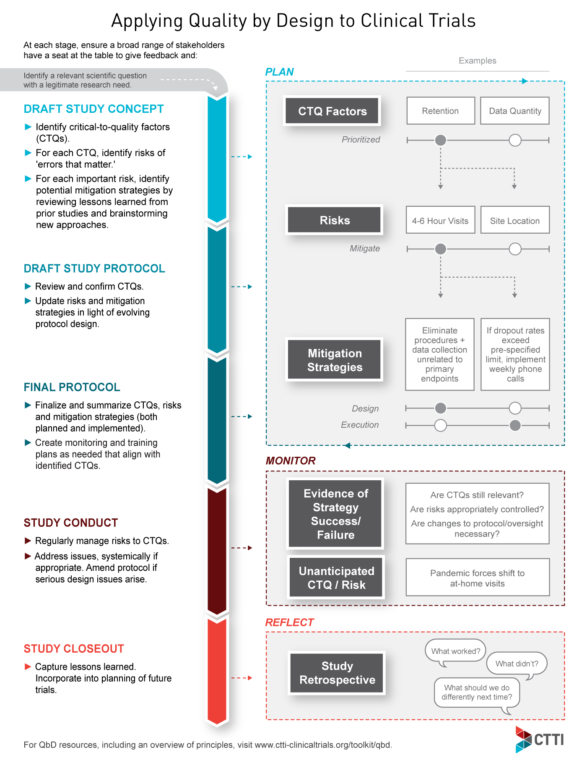
Quality by Design (QbD) Documentation Tool
Overview
This tool helps study teams capture and communicate decisions about what is critical to quality, as well as how the most important risks will be proactively addressed. It can be used in conjunction with the QbD Implementation Guide and other tools supporting implementation at the trial level (see links below). In many cases, the same person should be responsible for updating and tracking decisions in both tools. Importantly, this tool is not intended as a replacement for a detailed quality management or monitoring plan. Rather, consider using this tool—starting at the draft study concept stage—to capture the most important study design decisions made collaboratively between study designers, clinical operations personnel, and other stakeholders; and then subsequently build detailed monitoring plans based on the decisions captured in this tool. The worksheets in this tool (Plan, Monitor, Reflect) align with the overview diagram below. Also included is a worksheet for capturing basic information about the study (Study Info), and an Appendix that can be modified to change options listed in drop-down menus in certain cells.

Related Trial-Level QbD Implementation Tools
QbD Implementation Guide
CTQ Principles Document
Perspectives for QbD Discussions and Potential Champions
QbD Recommendations
See additional resources in CTTI's QbD Toolkit

Plan
IDENTIFY & PRIORITIZE CTQs, RISKS & MITIGATION STRATEGIES Involve the broad range of stakeholders in protocol development and discussions around study quality. First identify the Critical-to-Quality Factors (CTQs) for the study. Note that the study design will influence the number of CTQs; however, care should be taken to avoid diluting resources and focus with an excessive number. For each CTQ, identify key risks, determine whether each risk will be mitigated or accepted, and describe either plans to mitigate or rationale to accept the risk. There may be multiple risks per CTQ, and multiple mitigation strategies per risk. |  |  |  |  |  |  | For this sheet only. (Do not roll over to next tab)
Quality Factor (See CTQ Principles Document) | Truly Critical to Quality? (See Decision Tree) | Specific Risk for Study | Accept/Mitigate | Mitigation Strategy or Rationale for Accepting Risk | Mitigation Type | Mitigation Status | Notes
Withdrawal Criteria and Trial Participant Retention | Yes | Study visit may take 4-6 hours to complete | Mitigate Risk | Review all activities and look for opportunities to eliminate procedures and data collection unrelated to the primary questions of interest. | Study Design | Implemented | This example is provided to help illustrate how this worksheet can be used to provide a summary of CTQs, risks, and mitigation strategies. This row can be deleted from the worksheet if desired.
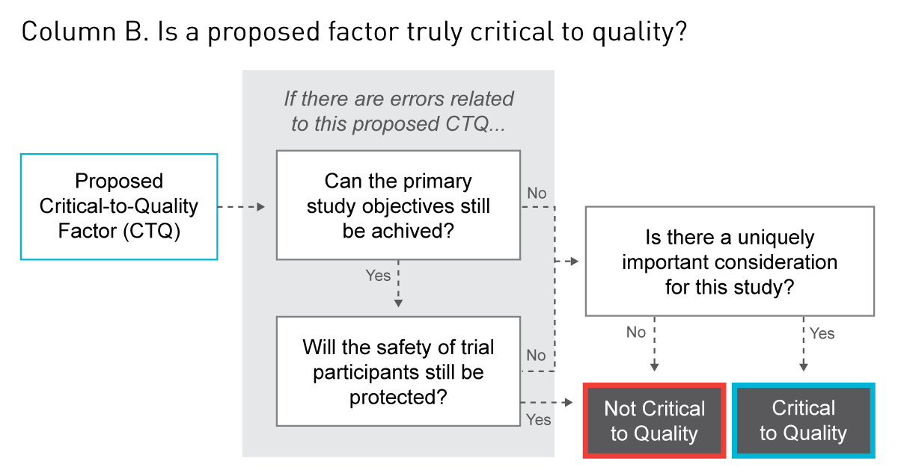
 |  |  |  | Conduct mock visit with a potential site to identify particular pain points from a site perspective that merit consideration for streamlining. | Study Design | Implemented
 |  |  |  | In-person visits strongly preferred; however, we are evaluating possibilities for televisits and/or mobile nursing, where applicable, as well as patient concierge services. | Study Execution | Under Consideration
 |  | Caregiver presence is required for all study visits | Accept Risk | This is a pediatric trial. Based on patient advisory board discussions, the same strategies identified for reducing patient burden will also reduce caregiver burden. Both are important; however, we do not anticipate identifying additional strategies targeted exclusively at caregivers. | NA | NA

